deposition after 2000
 |  |  |  |  |  |  |  |  |  |  |  |  | keq/ha |  | kg/ha
 | eq/m2 |  |  | kg/ha | Zhang QY 2020 | Year | keq/ha |  |  |  |  | 1999
Year | NH4-N | NO3-N | BC | N |  | 2000 | 2.89 | 3.30103 | 2.34234 |  |  | 2000 | 2.94 |  | 88
1990 | 0.29 | 0.06 | 0.35 | 49 |  | 2001 | 2.58 | 3.30126 | 2.30132 | 0.32 | 0.27 | 2001 | 2.45 | 0.49 | 73 | 100 | 2.94
1991 | 0.3 | 0.05 | 0.35 | 49 |  | 2002 | 2.29 | 3.30147 | 2.26219 | 0.29 |  | 2002 | 2.28 | 0.17 | 68 | 35 | 2.45
1992 | 0.28 | 0.05 | 0.35 | 46 |  | 2003 | 2.09 | 3.30169 | 2.22121 | 0.19 |  | 2003 | 2.16 | 0.12 | 64 | 25 | 2.28
1993 | 0.3 | 0.06 | 0.35 | 50 |  | 2004 | 2.36 | 3.30191 | 2.18026 | -0.27 |  | 2004 | 2.08 | 0.07 | 62 | 15 | 2.16
1994 | 0.27 | 0.06 | 0.35 | 46 |  | 2005 | 1.93 | 3.30212 | 2.14118 | 0.44 |  | 2005 | 2.03 | 0.05 | 61 | 10 | 2.08
1995 | 0.23 | 0.04 | 0.35 | 38 |  | 2006 | 1.76 | 3.30233 | 2.10213 | 0.17 |  | 2006 | 1.98 | 0.05 | 59 | 10 | 2.03
1996 | 0.24 | 0.04 | 0.35 | 39 |  | 2007 | 1.64 | 3.30255 | 2.06124 | 0.12 |  | 2007 | 1.93 | 0.05 | 58 | 10 | 1.98
1997 | 0.27 | 0.04 | 0.35 | 43 |  | 2008 | 1.91 | 3.30277 | 2.02036 | -0.27 |  | 2008 | 1.89 | 0.05 | 56 | 10 | 1.93
1998 | 0.26 | 0.04 | 0.35 | 42 |  | 2009 | 1.72 | 3.30298 | 1.98137 | 0.19 |  | 2009 | 1.86 | 0.02 | 56 | 5 | 1.89
1999 | 0.29 | 0.07 | 0.35 | 50 |  | 2010 | 1.67 | 3.30320 | 1.94053 | 0.05 |  | 2010 | 1.84 | 0.02 | 55 | 5 | 1.86
2000 | 0.26 | 0.09 | 0.35 | 49 |  | 2011 | 1.72 | 3.30341 | 1.90158 | -0.05 |  | 2011 | 1.79 | 0.05 | 53 | 10 | 1.84
2001 | 0.25 | 0.08 | 0.35 | 46 |  | 2013 | 2.12 | 3.30384 | 1.82187 | -0.40 |  | 2012 |  |  | 53 | 10 | 1.79
2002 | 0.27 | 0.09 | 0.35 | 50 |  | 2014 | 1.66 | 3.30406 | 1.78111 | 0.46 |  | 2013 | 1.74 | 0.05 | 52 | 0 | 1.74
2003 | 0.29 | 0.09 | 0.34 | 53 |  | 2015 | 1.80 | 3.30428 | 1.74038 | -0.15 |  | 2014 | 1.74 | 0.00 | 52 |  | 1.74
2004 | 0.27 | 0.12 | 0.34 | 55 |  | 2016 | 1.93 | 3.30450 | 1.69967 | -0.13 |  | 2015 | 1.71 | 0.02 | 51 |  | 1.71
2005 | 0.27 | 0.07 | 0.33 | 48 |  | 2017 | 2.01 | 3.30471 | 1.66083 | -0.08 |  | 2016 | 1.69 | 0.02 | 50 |  | 1.69
2006 | 0.26 | 0.07 | 0.33 | 46 |  |  |  |  |  |  |  | 2017 | 1.69 | 0.00 | 50 |  | 1.69
2007 | 0.25 | 0.08 | 0.32 | 46 |  |  |  |  |  |  |  | 2018 | 1.69 | 0.00 | 50
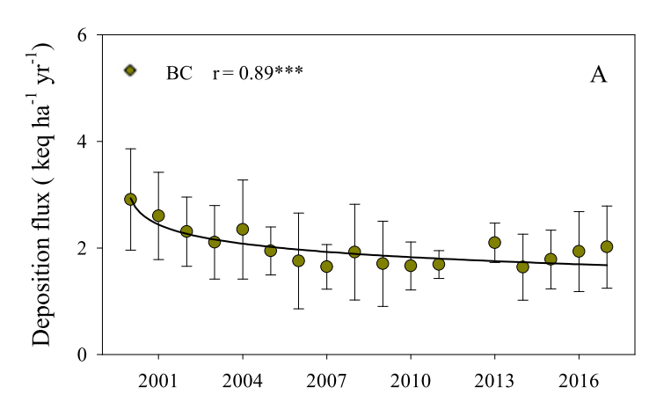
2008 | 0.24 | 0.08 | 0.32 | 45
2000 | 2.94
2001 | 2.45
2002 | 2.28
2003 | 2.16
2004 | 2.08
2005 | 2.03
2006 | 1.98
2007 | 1.93
2008 | 1.89
2009 | 1.86
2010 | 1.84
2011 | 1.79
2012
2013 | 1.74
2014 | 1.74
2015 | 1.71
2016 | 1.69
2017 | 1.69
2018 | 1.69
2009 | 0.23 | 0.08 | 0.31 | 44
2010 | 0.22 | 0.08 | 0.31 | 42
2011 | 0.21 | 0.08 | 0.3 | 41
2012 | 0.2 | 0.09 | 0.3 | 40
2013 | 0.18 | 0.09 | 0.29 | 39
2014 | 0.17 | 0.09 | 0.29 | 38
2015 | 0.16 | 0.1 | 0.28 | 36
2016 | 0.15 | 0.1 | 0.28 | 35
2017 | 0.14 | 0.11 | 0.27 | 34
2018 | 0.12 | 0.11 | 0.27 | 33

